PopulationReport
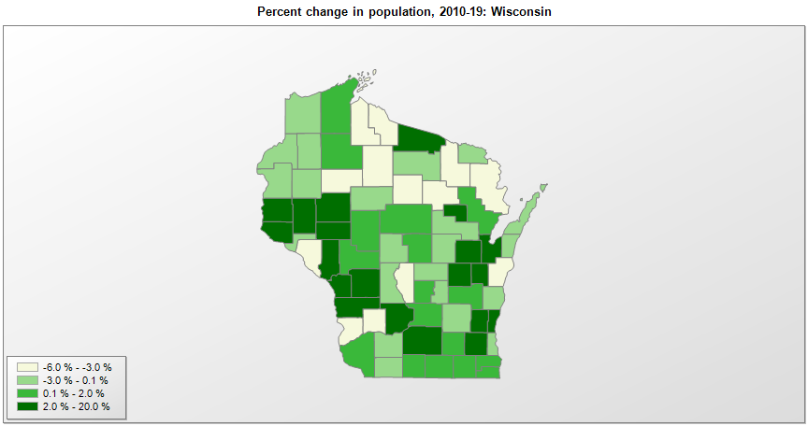

FIPS* | County name | RUC code | Pop. 1990 | Pop. 2000 | Pop. 2010 | Pop. 2019 | Change 2010-19
55000 | Wisconsin |  | 4,891,954 | 5,363,757 | 5,687,285 | 5,822,434 | 2.4%
55001 | Adams County | 8 | 15,682 | 19,940 | 20,867 | 20,220 | -3.1%
55003 | Ashland County | 7 | 16,307 | 16,845 | 16,157 | 15,562 | -3.7%
55005 | Barron County | 6 | 40,750 | 44,961 | 45,873 | 45,244 | -1.4%
55007 | Bayfield County | 8 | 14,008 | 15,027 | 15,008 | 15,036 | 0.2%
55009 | Brown County | 2 | 194,594 | 226,633 | 248,003 | 264,542 | 6.7%
55011 | Buffalo County | 8 | 13,584 | 13,797 | 13,588 | 13,031 | -4.1%
55013 | Burnett County | 8 | 13,084 | 15,650 | 15,458 | 15,414 | -0.3%
55015 | Calumet County | 3 | 34,291 | 40,683 | 48,981 | 50,089 | 2.3%
55017 | Chippewa County | 3 | 52,360 | 55,217 | 62,502 | 64,658 | 3.4%
55019 | Clark County | 6 | 31,647 | 33,548 | 34,691 | 34,774 | 0.2%
55021 | Columbia County | 2 | 45,088 | 52,510 | 56,859 | 57,532 | 1.2%
55023 | Crawford County | 7 | 15,940 | 17,241 | 16,644 | 16,131 | -3.1%
55025 | Dane County | 2 | 367,085 | 426,475 | 488,081 | 546,695 | 12.0%
55027 | Dodge County | 4 | 76,559 | 85,851 | 88,750 | 87,839 | -1.0%
55029 | Door County | 6 | 25,690 | 27,957 | 27,785 | 27,668 | -0.4%
55031 | Douglas County | 2 | 41,758 | 43,288 | 44,159 | 43,150 | -2.3%
55033 | Dunn County | 6 | 35,909 | 39,853 | 43,865 | 45,368 | 3.4%
55035 | Eau Claire County | 3 | 85,183 | 93,128 | 98,881 | 104,646 | 5.8%
55037 | Florence County | 9 | 4,590 | 5,079 | 4,423 | 4,295 | -2.9%
55039 | Fond du Lac County | 3 | 90,083 | 97,284 | 101,623 | 103,403 | 1.8%
55041 | Forest County | 9 | 8,776 | 10,027 | 9,304 | 9,004 | -3.2%
55043 | Grant County | 6 | 49,266 | 49,590 | 51,204 | 51,439 | 0.5%
55045 | Green County | 2 | 30,339 | 33,678 | 36,839 | 36,960 | 0.3%
55047 | Green Lake County | 6 | 18,651 | 19,115 | 19,044 | 18,913 | -0.7%
55049 | Iowa County | 2 | 20,150 | 22,790 | 23,687 | 23,678 | 0.0%
55051 | Iron County | 9 | 6,153 | 6,863 | 5,916 | 5,687 | -3.9%
55053 | Jackson County | 6 | 16,588 | 19,091 | 20,441 | 20,643 | 1.0%
55055 | Jefferson County | 4 | 67,783 | 75,855 | 83,688 | 84,769 | 1.3%
55057 | Juneau County | 7 | 21,650 | 24,323 | 26,665 | 26,687 | 0.1%
55059 | Kenosha County | 1 | 128,181 | 149,584 | 166,424 | 169,561 | 1.9%
55061 | Kewaunee County | 2 | 18,878 | 20,199 | 20,578 | 20,434 | -0.7%
55063 | La Crosse County | 3 | 97,904 | 107,156 | 114,638 | 118,016 | 2.9%
55065 | Lafayette County | 8 | 16,074 | 16,149 | 16,833 | 16,665 | -1.0%
55067 | Langlade County | 6 | 19,505 | 20,743 | 19,977 | 19,189 | -3.9%
55069 | Lincoln County | 6 | 26,993 | 29,625 | 28,743 | 27,593 | -4.0%
55071 | Manitowoc County | 4 | 80,421 | 82,907 | 81,444 | 78,981 | -3.0%
55073 | Marathon County | 3 | 115,400 | 125,908 | 134,061 | 135,692 | 1.2%
55075 | Marinette County | 6 | 40,548 | 43,392 | 41,749 | 40,350 | -3.4%
55077 | Marquette County | 8 | 12,321 | 14,539 | 15,399 | 15,574 | 1.1%
55078 | Menominee County | 8 | 4,075 | 4,554 | 4,232 | 4,556 | 7.7%
55079 | Milwaukee County | 1 | 959,212 | 940,127 | 947,728 | 945,726 | -0.2%
55081 | Monroe County | 6 | 36,633 | 40,885 | 44,677 | 46,253 | 3.5%
55083 | Oconto County | 2 | 30,226 | 35,657 | 37,660 | 37,930 | 0.7%
55085 | Oneida County | 7 | 31,679 | 36,736 | 36,012 | 35,595 | -1.2%
55087 | Outagamie County | 3 | 140,510 | 161,090 | 176,686 | 187,885 | 6.3%
55089 | Ozaukee County | 1 | 72,894 | 82,322 | 86,395 | 89,221 | 3.3%
55091 | Pepin County | 8 | 7,107 | 7,314 | 7,469 | 7,287 | -2.4%
55093 | Pierce County | 1 | 32,765 | 36,726 | 41,029 | 42,754 | 4.2%
55095 | Polk County | 6 | 34,773 | 41,322 | 44,198 | 43,783 | -0.9%
55097 | Portage County | 4 | 61,405 | 67,181 | 70,021 | 70,772 | 1.1%
55099 | Price County | 9 | 15,600 | 15,819 | 14,159 | 13,351 | -5.7%
55101 | Racine County | 3 | 175,034 | 188,849 | 195,428 | 196,311 | 0.5%
55103 | Richland County | 6 | 17,521 | 17,926 | 18,028 | 17,252 | -4.3%
55105 | Rock County | 3 | 139,510 | 152,315 | 160,325 | 163,354 | 1.9%
55107 | Rusk County | 6 | 15,079 | 15,350 | 14,754 | 14,178 | -3.9%
55109 | St. Croix County | 1 | 50,251 | 63,155 | 84,337 | 90,687 | 7.5%
55111 | Sauk County | 4 | 46,975 | 55,187 | 61,955 | 64,442 | 4.0%
55113 | Sawyer County | 7 | 14,181 | 16,221 | 16,538 | 16,558 | 0.1%
55115 | Shawano County | 6 | 37,157 | 40,676 | 41,955 | 40,899 | -2.5%
55117 | Sheboygan County | 3 | 103,877 | 112,663 | 115,512 | 115,340 | -0.1%
55119 | Taylor County | 6 | 18,901 | 19,682 | 20,690 | 20,343 | -1.7%
55121 | Trempealeau County | 6 | 25,263 | 27,002 | 28,815 | 29,649 | 2.9%
55123 | Vernon County | 6 | 25,617 | 28,058 | 29,769 | 30,822 | 3.5%
55125 | Vilas County | 9 | 17,707 | 21,055 | 21,444 | 22,195 | 3.5%
55127 | Walworth County | 4 | 75,000 | 91,895 | 102,230 | 103,868 | 1.6%
55129 | Washburn County | 7 | 13,772 | 16,007 | 15,907 | 15,720 | -1.2%
55131 | Washington County | 1 | 95,328 | 117,529 | 131,885 | 136,034 | 3.1%
55133 | Waukesha County | 1 | 304,715 | 360,810 | 389,946 | 404,198 | 3.7%
55135 | Waupaca County | 6 | 46,104 | 51,844 | 52,410 | 50,990 | -2.7%
55137 | Waushara County | 6 | 19,385 | 23,047 | 24,509 | 24,443 | -0.3%
55139 | Winnebago County | 3 | 140,320 | 156,752 | 167,000 | 171,907 | 2.9%
55141 | Wood County | 4 | 73,605 | 75,500 | 74,750 | 72,999 | -2.3%

Source: U.S. Census Bureau, 1990, 2000, and 2010 Censuses of Population (corrected), and 2019 County Total Population Estimates. 1) The FIPS codes uniquely identify each county and are part of the Federal Information Processing Standards (FIPS) developed by the National Institute of Standards and Technology (NIST), U.S. Department of Commerce. For more information, see the NIST FIPS publication page. 2) The 2013 rural-urban continuum codes classify metropolitan counties (codes 1 through 3) by size of the Metropolitan Statistical Area (MSA), and nonmetropolitan counties (codes 4 through 9) by degree of urbanization and proximity to metro areas. See rural-urban continuum codes for precise definitions of each code.

